1. Title Page
Project Name: Instacart Grocery Basket Analysis
Date: 06/09/2024
Analyst Name: Marika Macawile

Contents:
Population Flow
Consistency checks
Wrangling steps
Column derivations
Visualizations
Recommendations

Citation: “The Instacart Online Grocery Shopping Dataset 2017”, Accessed from www.instacart.com/datasets/grocery-shopping-2017 via Kaggle on 06/09/2024.
Customer data and prices were fabricated.

2. Population Flow
Title page

Population flow

Orders_products_combined
Orders_products_merged
Orders_products_all

Total: 32434489 rows, 12 columns
Total: 30992664 rows, 38 columns
Total: 32434489 rows, 12 columns

3. Consistency checks
 |  |  |  | Title page
Consistency checks

Dataset | Missing values | Missing values treatment | Duplicates
orders | 206209 row of NaN values in the days_since_prior_order column. | First orders caused the NaN values since there were no prior orders to enter. Created a new column that acted as a flag the identified first orders. | 5 duplicate rows and they didn't need to be addressed.
products | 16 missing product_name values. | Removed the 16 rows that contained the missing values. | 5 duplicate rows. They were removed.
orders_products_prior | No missing values. |  | No duplicates.
customers | 11259 missing first_name values. | No need to be addressed because PII data will be dropped. | No duplicates.

4. Wrangling steps
 |  |  |  | Title page
Wrangling steps

Columns dropped | Columns renamed | Columns' type changed | Comment/Reason
eval_set (orders.csv) |  |  | It's not needed for analysis.
 | Changed order_dow to orders_day of_week. (orders.csv) |  | The original name was not intuitive.
 |  | Changed the data type of order_id to string. (order.csv) | Changed the data type so describe( ) would ignore it.
 |  | Changed the data type of order_number to string. (order.csv) | Changed the data type so describe( ) would ignore it.
 | Changed days_since_prior_order to days_since_last_order. (orders.csv) |  | The original name was not intuitive.
 | Changed First Name to first_name. (customers.csv) |  | The original name was not intuitive.
 | Changed Surnam to surname. (customers.csv) |  | Spelling mistake.
 | Changed Gender to gender. (customers.csv) |  | Unifying the format to make it look neat.
 | Changed STATE to state. (customers.csv) |  | Unifying the format to make it look neat.
 | Changed Age to age. (customers.csv) |  | Unifying the format to make it look neat.
 |  | Changed the data type of first_name to string. | first_name column had mixed data types.
first_name (customers_orders_products_merged.pkl) |  |  | PII data needs to be addressed.
surname (customers_orders_products_merged.pkl) |  |  | PII data needs to be addressed.

5. Column derivations
 |  |  |  | Title page

Column derivations and aggregations

Dataset | New column | Column/s it was derived from | Conditions
ords_prods_merge | price_range_loc | prices | high-range products if prices > $15 mid-range products if prices > $5 & <= $15 low-range products if prices <= $5
ords_prods_merge | busiest_days | orders_day_of_week | Busiest days: 0(Saturday), 1(Sunday) Slowest days: 3(Tuesday), 4(Wednesday) Regularly busy: anything else
ords_prods_merge | busiest_period_of_day | order_hour_of_day | Most orders: 9, 10, 11, 12, 13, 14, 15, 16 Average orders: 7, 8, 17, 18, 19, 20, 21, 22 Fewest orders: anything else
ords_prods_merge | max_order | user_id, order_number | Maximum order_number grouped by user_id
ords_prods_merge | loyalty_flag | max_order | Loyal customer: max_order > 40 Regular customer: max_order <= 40 & max_order > 10 New customer: max_order <= 10
ords_prods_merge | average_price | user_id, prices | Average prices grouped by user_id.
ords_prods_merge | spenders | average_price | Low spender: average_price < 10 High spender: average_price >= 10
ords_prods_merge | frequency_median | user_id, days_since_prior_order | Median of days_since_prior_order grouped by user_id.
ords_prods_merge | customers | frequency_median | Non-frequent customer: frequency_median > 20 Regular customer: frequency_median > 10 & frequency_median <= 20 Frequent customer: frequency_median <= 10
cstms_ords_prods | age_type | age | Divide age into different categories.
cstms_ords_prods | dependant_type | n_dependants | Divide dependants into different dependant types.
cstms_ords_prods | income_type | income | Divide income into different categories.
cstms_ords_prods | region | state | Divide states into different regions.

6. Visualizations
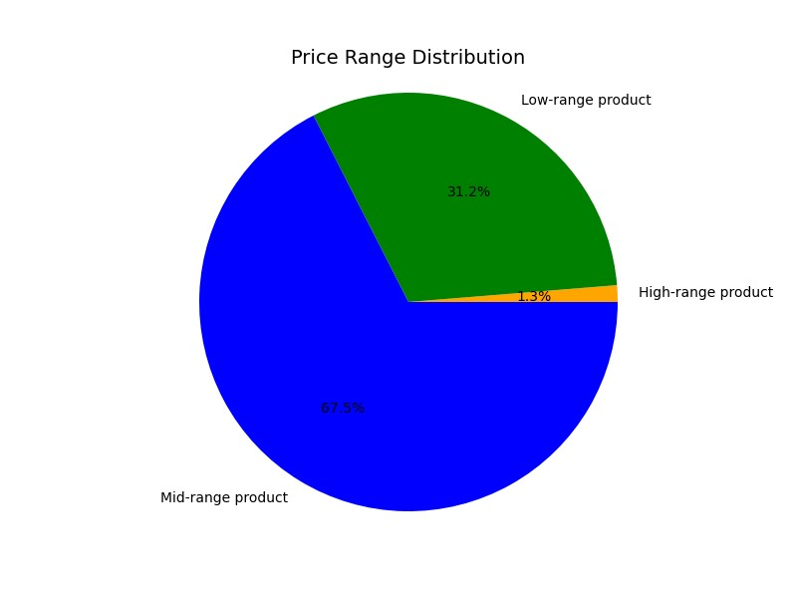
Title page

Visualisations

Busiest Hours and Days of the Week

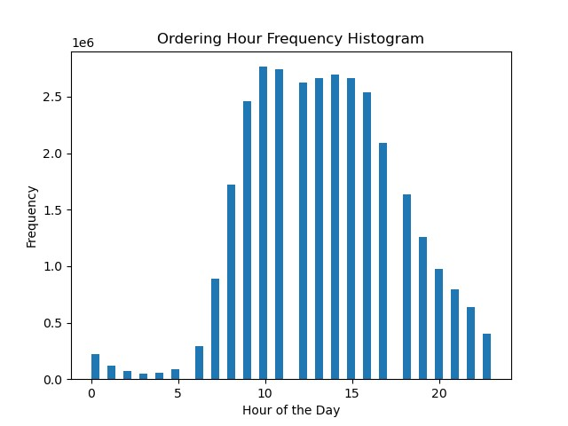


0 = Saturday
1 = Sunday
2 = Monday
3 = Tuesday
4 = Wednesday
5 = Thursday
6 = Friday

• The busiest days of the week are Saturday and Sunday.
• The slowest days of the week are Tuesday and Wednesday.
• The busiest hours of the day are 10 am and 11 am.
• The slowest hours of the day are 3 am and 4 am.
• The busiest period is 8 am - 7 pm.
• The slowest period is 12 am - 6 am.

Total Customer Spending During the Day and the Week

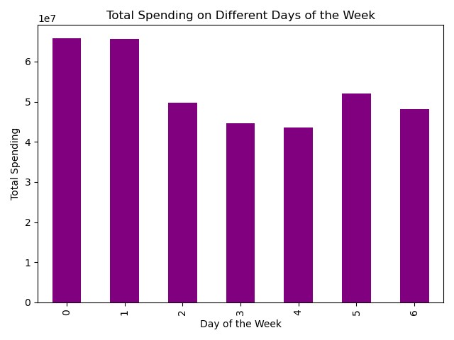
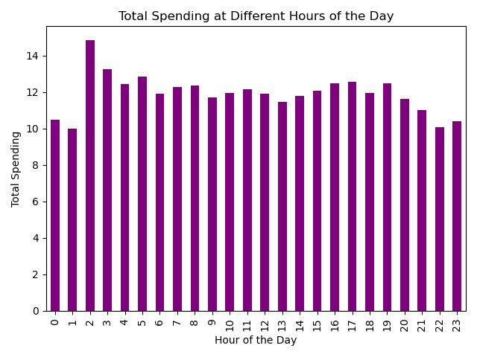

0 = Saturday
1 = Sunday
2 = Monday
3 = Tuesday
4 = Wednesday
5 = Thursday
6 = Friday

• The highest spending hours of the day are 2 am and 3 am, which are drastically different from the busiest hours.
• The lowest spending hours are 10 pm - 1 am, which are drastically diffrent from the busiest hours.
• The highest spending days of the week are Saturday and Sunday, which are the same as busiest days.
• The lowest spending days of the week are Tuesday and Wednesday, which are the same as slowest days.

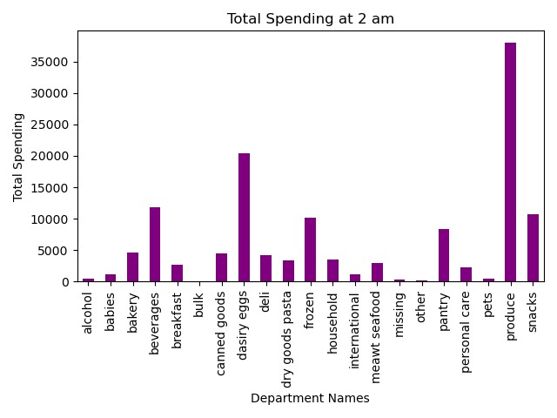
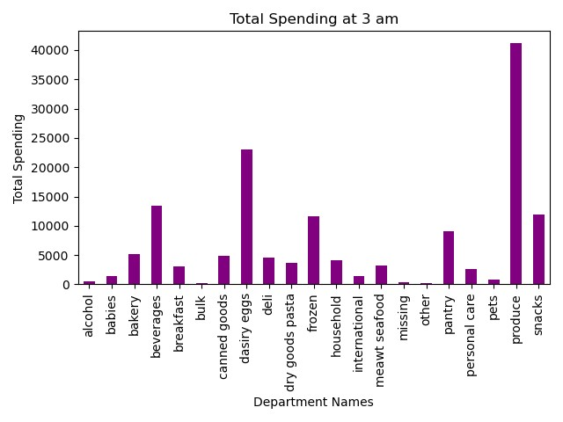

The best selling departments at 2 am and 3 am are beverages, dairy eggs and produce.

Price Ranges


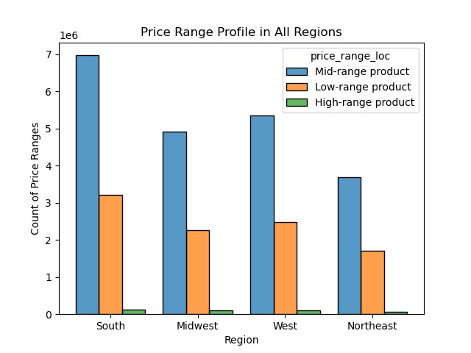

Low-range Product: <= $5
Mid-range Product: > $5 & <= $15
High-range Product: > $15

• The best selling ranges are low-range and mid-range.
• The best selling ranges are low-range and mid-range in all regions.
• High-range products that are over $15 did not sell well.

A good price grouping strategy would be combining the low-range and mid-range together since they are best selling ranges.

Order Frequency

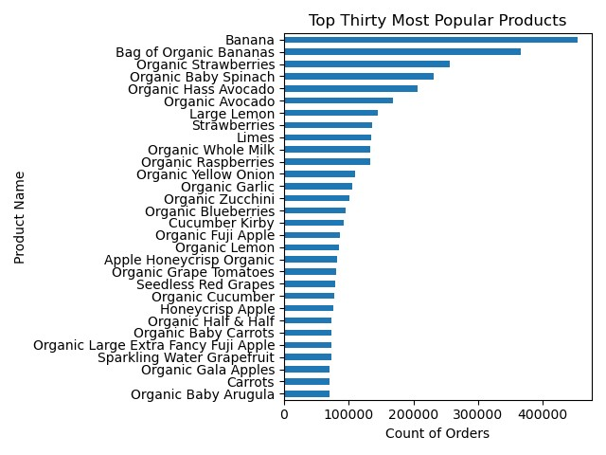
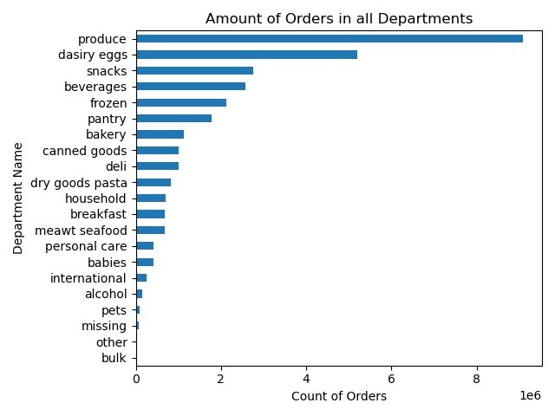

The best selling products include a lot of organic products.
The best selling department is produce, which contains a lot of organic products.

Customer Types

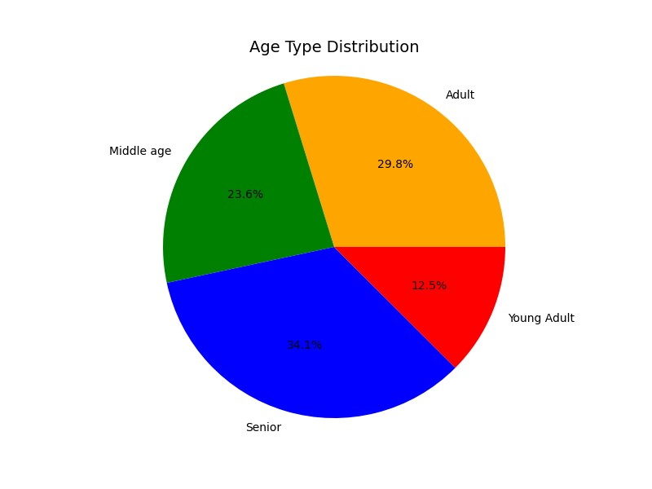
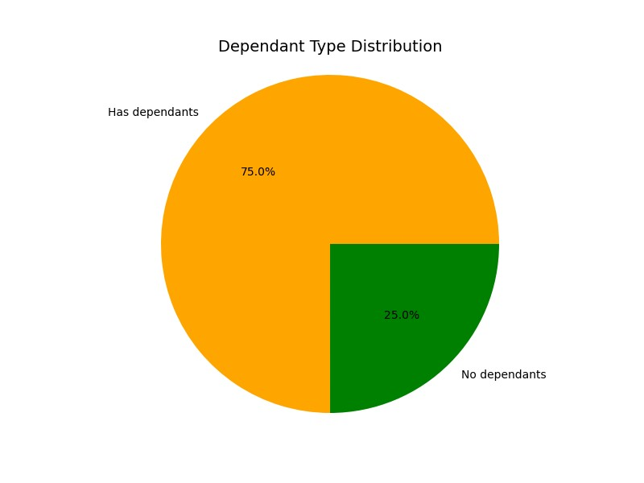

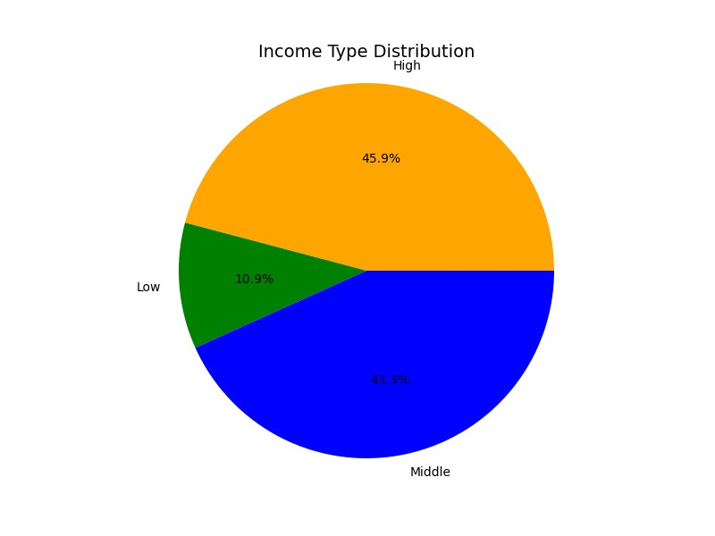
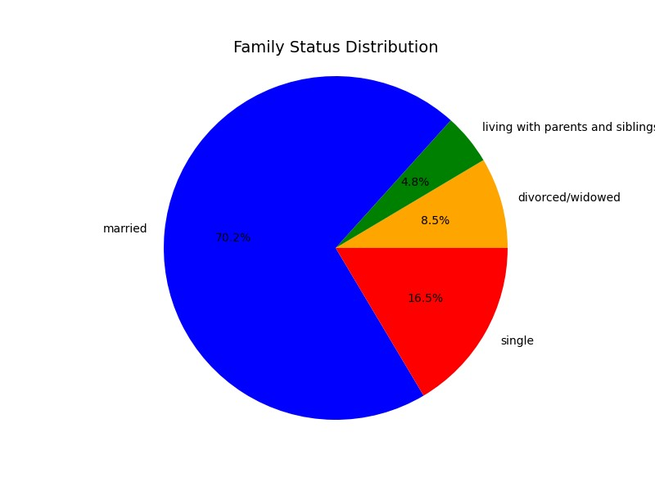

• Since over 70% of the customers are either married or have dependents, there could be a huge potential market for baby products.
• 45.9% of the customers have a high income. An effective strategy to boost high range product sales can potentially boost the revenue significantly.

Regions

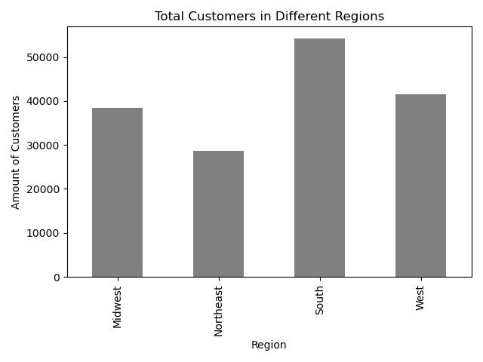
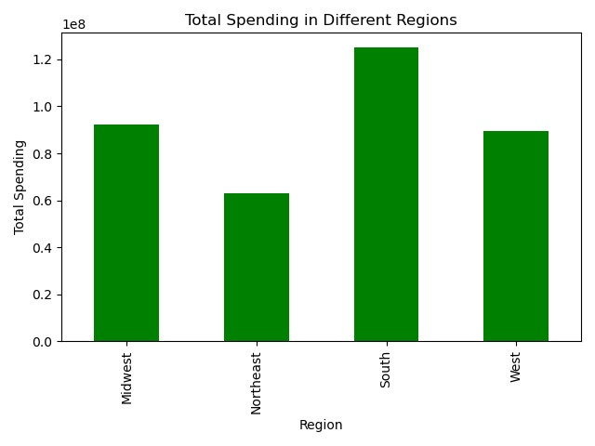

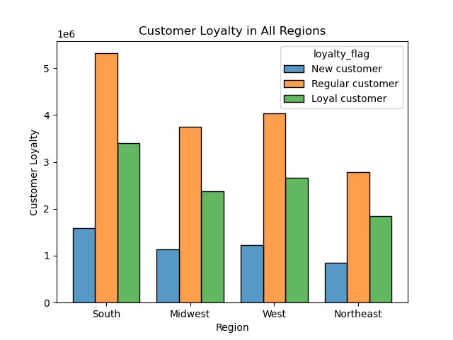
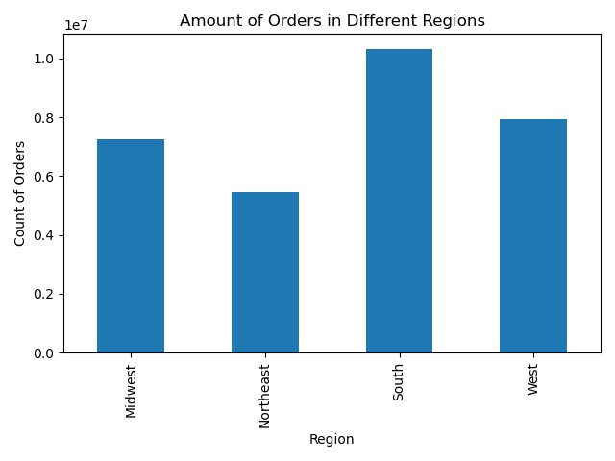

• The South outperformed other regions in terms of customer base, sales, order frequency, customer retention, and new customer.
• The Northeast performed poorly in all aspects in comparisoin with other regions, which needs to be addressed.

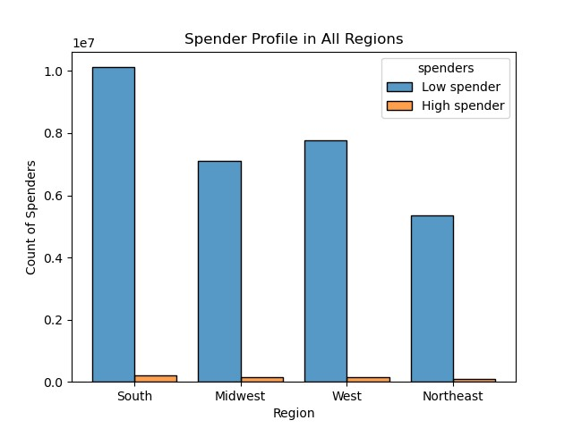
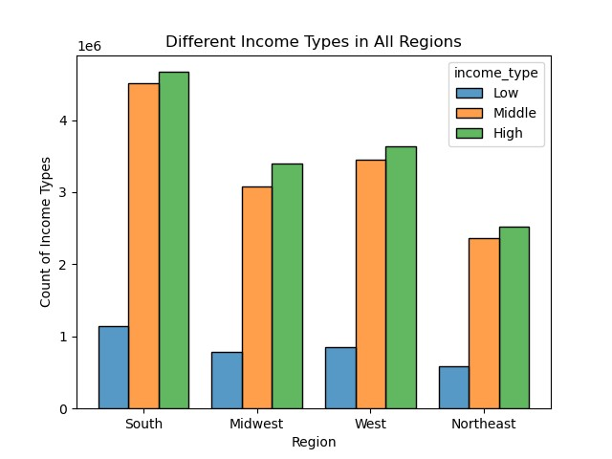

There is a huge amount of high income customers but there are much less high spenders than low spenders, which is an issue that needs to be addressed.

7. Recommendations
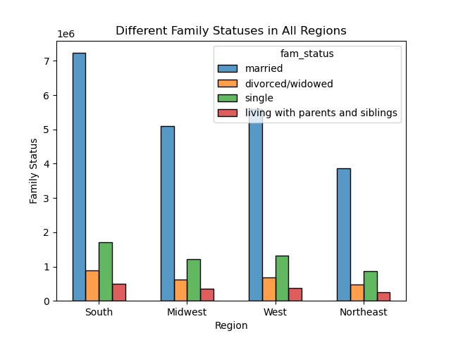
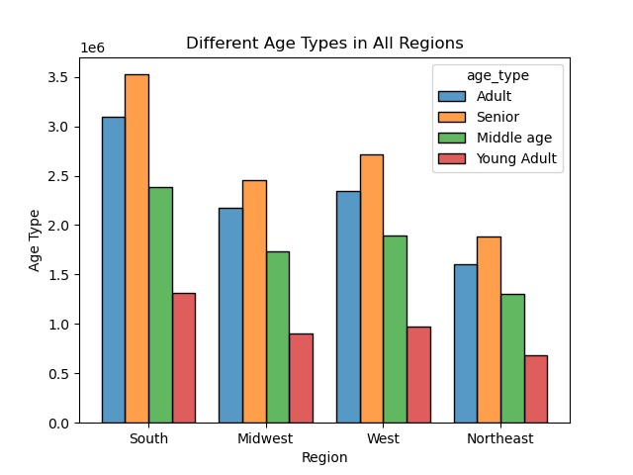
 | Title page

Recommendations

Marketing
1. Increase marketing in the Northeast region in order to attract new customers and increase sales (currently the bottom region in all aspects).
2. Baby product marketing campains that target people with dependants. Currently 75% of the customers have dependants.
Promotions
1. Promotions from 10 pm to 6 am because those are the lowest speding hours and the slowest hours.
2. 2 am and 3 am are the highest spending hours. Promotions for produce, dairy & eggs, and beverages (the top 3 best selling departments) from 2 am to 3 am could encorage customers to spend even more.
3. Tuesday and Wednesday generate the least sales. Promotions for those days could boost sales.
Other
1. The majority of the top 30 best selling products are organic products. Increasing more organic options could increase sales.
2. Send surveys to high-income earners to find out their preferences in order to sell more high-range products. Currently high-range products significantly underperform.
3. Group the low-range and mid-range products together because they are currently the best-selling ranges.

Key Questions
Question 1
The sales team needs to know what the busiest days of the week and hours of the day are (i.e., the days and times with the most orders) in order to schedule ads at times when there are fewer orders.
Answer
• The busiest days of the week are Saturday and Sunday.
• The busiest hours of the day are 10 am and 11 am.

0 = Saturday
1 = Sunday
2 = Monday
3 = Tuesday
4 = Wednesday
5 = Thursday
6 = Friday

Question 2
They also want to know whether there are particular times of the day when people spend the most money, as this might inform the type of products they advertise at these times.
Answer
• People spend the most money at 2 am and 3 am.
• The best selling products at 2 am and 3 am are produce, dairy eggs, and beverages.

Answer
A good streategy would be grouping mid-range and low-range together since they are the best selling ranges.
Question 3
Instacart has a lot of products with different price tags. Marketing and sales want to use simpler price range groupings to help direct their efforts

Low-range Product: <= $5
Mid-range Product: > $5 & <= $15
High-range Product: > $15

Question 4
Are there certain types of products that are more popular than others? The marketing and sales teams want to know which departments have the highest frequency of product orders.
Answer
• Best selling products contain a lot of organic products.
• Departments such as produce, dairy eggs, snacks, and beverages have the highest frequency of orders.

Question 5
What’s the distribution among users in regards to their brand loyalty (i.e., how often do they return to Instacart)?
Answer
Frequent customers and regular customers take up a large percentage of the customer base, which is a good sign.

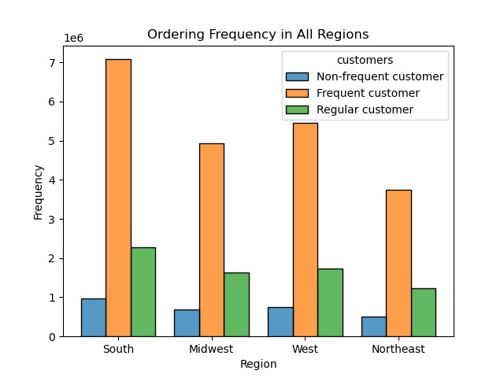
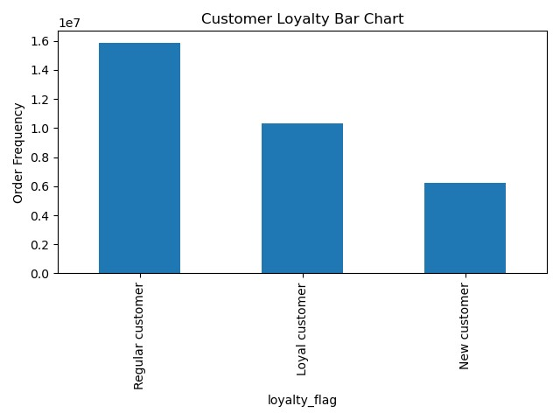

Non-frequent customer: frequency_median > 20
Frequent customer: frequency_median <= 10
Regular customer: frequency_median > 10 & frequency_median <= 20
Regular customer: max_order <= 40 & > 10
Loyal customer: max_order > 40
New customer: max_order <= 10

Answer
• The South outperforms other regions because it has the larest amount of customers.
• The total spending and ordering frequency are directly related to the amount of customers.
Question 6
Are there differences in ordering habits based on a customer’s region?

Question 7
Is there a connection between age and the number of dependants?
Answer
There is no clear patern that indicates a connection between age and the number of dependants.

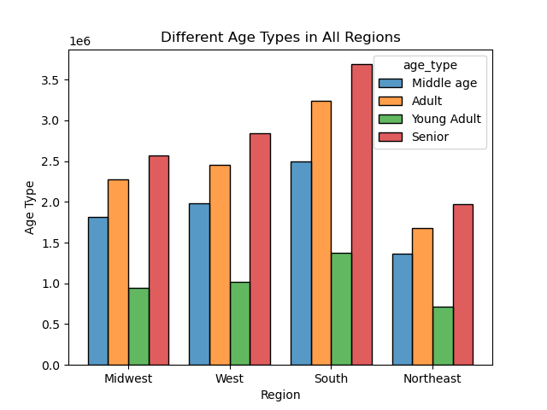
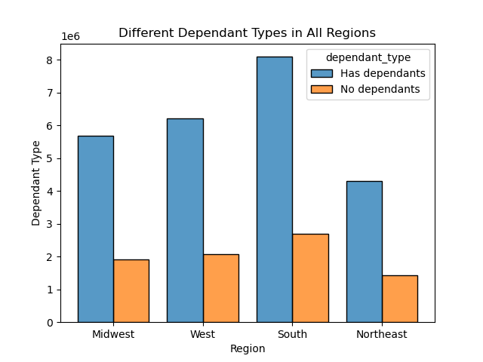

Answer
• Married people take up a large percentage of the customer base.
• There is a large amount of seniors. Even more than adults.
• There is a large amount of high earners.
• High spending sales (more than $15) sinigficantly underperforms.
Question 8
What different classifications does the demographic information suggest? Age? Income? Certain types of goods? Family status?

